Literature Table
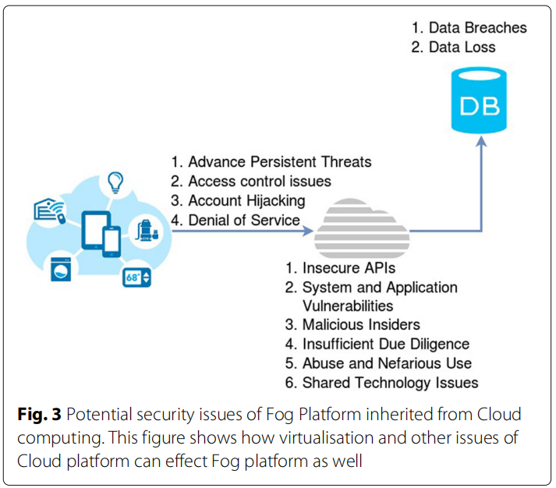
Guided by Prof. D. Naidu
Study on Fog Computing Authentication And Security Issues
Sr. no. | Referenced Section |  | Evaluation Section
 | Topic | Referred link | Advantage | Disadvantage | Conclusion | Action required | Future Scope
1 | Fog computing security: a review of current applications and security solutions | https://journalofcloudcomputing.springeropen.com/articles/10.1186/s13677-017-0090-3 | • A Fog system will have relatively small computing resources (memory, processing and storage) when compared to a Cloud system, but the resources can be increased on-demand; • They are able to process data generated from a diverse set of devices; • They can be both dense and sparsely distributed based on geographical location; • They support Machine-to-Machine communication and wireless connectivity; • It is possible for a Fog system to be installed on low specification devices like switches and IP cameras; and • One of their main uses is currently for mobile and portable devices. | 1. Advance Persistent Threats (APT) 2. Access Control Issues (ACI) 3. Account Hijacking (AH) 4. Denial of Service (DoS) 5. Data Breaches (DB) 6. Data Loss (DL) 7. Insecure APIs (IA) 8. System and Application Vulnerabilities (SAV). 9. Malicious Insider (MI)y. 10. Insufficient Due Diligence (IDD). 11. Abuse and Nefarious Use (ANU). 12. Shared Technology Issues (STI). 13. SQL Injection on web optimizing. | data can easily be replicated, shared, modified and deleted by any malicious intermediate or fake external node using a Sybil (forging identities) attack, which can undermine the CIA of data | We can create a unique id for each fog node, and a superior node(admin department, or else) also be their which will authorize the other node to delete, copy, cut, send, and receive data if they want. | Fog platforms will be developed and released in the future to provide an enriched and more reliable infrastructure to handle the ever increasing expansion of connected computational devices.
2 | Securing Fog Computing with a Decentralised User Authentication Approach Based on Blockchain | https://www.mdpi.com/1424-8220/22/10/3956

